Printing Instructions
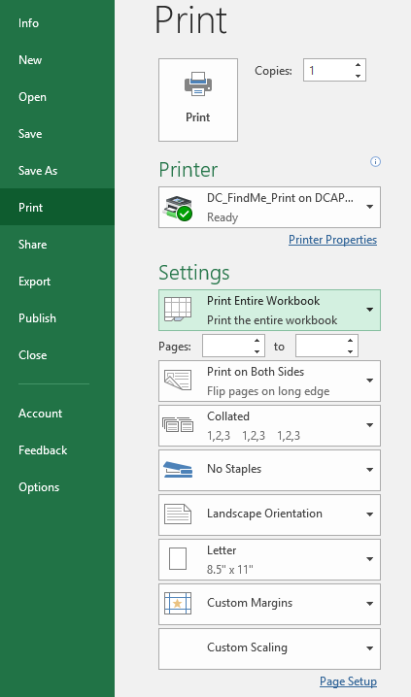
Printing the Workbook | Version 01-03-20

The proposal is formatted to be printer-friendly. In order to print a hardcopy for reference, open print options and select print entire workbook (pictured below). This will print every step of the proposal as one file.

1. Currency and Instructions

The English Access Microscholarship Program
 |  |  | The English Access Microscholarship Program is sponsored by the U.S. Department of State with funding provided by the U.S. Government.

COST PROPOSAL INSTRUCTIONS

Applicant Organization
Important Information:
This Cost Proposal template is designed for many different kinds of programs. There may be sections and cost categories in this template that do not apply to your program. When creating your budget, use only the sections and the number of rows in each section necessary for your program's budget. The budget in this cost proposal should be prepared in local currency (non-U.S. Dollar). The estimated costs in each section will be automatically converted to U.S. Dollar based on the exchange rate entered below.
Step 1. | Complete the information in the highlighted cells below.

 | Applicant Organization's Name:

 | Country: |  |  | Proposed Number of Students:

 |  |  |  | Proposed Number of After School Sites:

 |  | Name of Local Currency: |  | Exchange Rate Date:
 |  |  |  | (MM,DD,YYYY)
 |  | Exchange Rate (local currency for $1 U.S. Dollar): |  | Source of Exchange Rate:

Step 2. | Complete each section of the budget (After School Instruction, Enhancement Activities, Intensive Sessions, and Administration).

Step 3. | Ensure the information in the budget matches the information entered in the technical proposal.

Step 4. | Complete the information for the Total Budget Detail.

Step 5. | Submit Technical and Cost Proposal to the U.S. Embassy/Consulate.

U.S. Embassy/Consulate

Step 6. | An American Officer reviews cost proposal and completes Step 1. and Step 2 on the U.S. Embassy-Consulate RELO tab.

RELO

Step 7. | RELO reviews cost proposal and completes Step 3. on the U.S. Embassy-Consulate RELO tab.

