TRANCHE 1
TRANCHE 1:

Date: Within 14 Calendar Days
Quantity: Entire Delivery
Delivery Location:
JJLL Property Warehouse
P. Santos Ave. JUSMAG Compound
Camp Aguinaldo, QC

OHASIS 70087 – COVID-19 PPE

Item | 70087 | Unit | Cost Per Unit (PHP) | Total Cost PHP
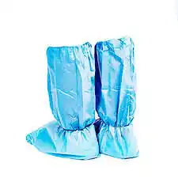 Medical Overboots | 200 | Pair |  | -
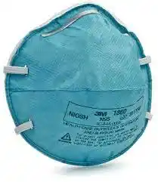 KN95 face mask | 2000 | Each |  | -
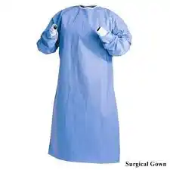 Level 2 Isolation Gown | 500 | Each |  | -
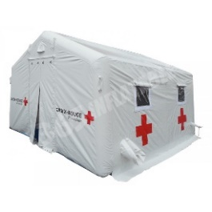 Medical Tent (10metersx10meters) | 3 | Each |  | -
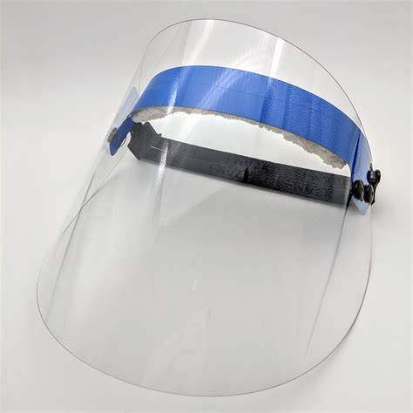 Face Shield | 150 | each |  | -
Nitrile gloves 100/ Box L | 100 | Box |  | -
Manual misting machine (Gun Spray) | 5 | Piece |  | -
Alcohol 70% ethyl 20 liters/carbouy | 75 | Carbouy |  | -
Disinfectant Spray 510g | 50 | Can |  | -
Antibacterial Liquid Hand soap 5 liters/gallon | 50 | Gallon |  | -
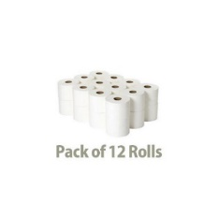 Tissue 2 ply 12 rolls/pack | 200 | pack |  | -
Powder Detergent Soap 10k/bag | 60 | Bag |  | -
Azithromycin 500mg | 5000 | Tablet |  | -
Ascorbic Acid 500mg/tablet | 4,000 | tablet |  | -
Co-amoxiclav 625mg / tablet | 1000 | Tablet |  | -
Diphenhydramine 50mg / capsule | 6000 | Capsule |  | -
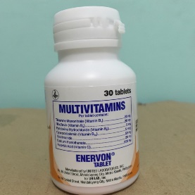 Multivitamins | 5,000 | Tablet |  | -
Orahex Gargle 120ml or equivalent | 200 | Bottle |  | -
Portable Pulse Oximeter | 100 | Piece |  | -
Automatic BP sphygmomanometer | 60 | unit |  | -
Warm Compress medium size | 150 | Piece |  | -
Cold compress medium size | 150 | Piece |  | -
TOTALS |  |  |  | -

TRANCHE 2
TRANCHE 2:

Date: Within 14 Calendar Days
Quantity: Entire Delivery
Delivery Location:
JJLL Property Warehouse
P. Santos Ave. JUSMAG Compound
Camp Aguinaldo, QC

OHASIS 68391 – COVID-19 PPE

Item | 68391 | Unit | Cost Per Unit (PHP) | Total Cost PHP
Medical Overboots | 50 | Pair |  | -
KN95 face mask | 1500 | Each |  | -
Level 2 Isolation Gown | 100 | Each |  | -
 Medical Tent (10metersx10meters) | 3 | Each |  | -
Face Shield | 50 | each |  | -
Nitrile gloves 100/ Box L | 35 | Box |  | -
Manual misting machine (Gun Spray) | 5 | Piece |  | -
Alcohol 70% ethyl 20 liters/carbouy | 125 | Carbouy |  | -
Disinfectant Spray 510g | 200 | Can |  | -
Antibacterial Liquid Hand soap 5 liters/gallon | 125 | Gallon |  | -
 Tissue 2 ply 12 rolls/pack | 150 | pack |  | -
Powder Detergent Soap 10k/bag | 15 | Bag |  | -
Azithromycin 500mg | 8000 | Tablet |  | -
Ascorbic Acid 500mg/tablet | 8,000 | tablet |  | -
Co-amoxiclav 625mg / tablet | 2000 | Tablet |  | -
Diphenhydramine 50mg / capsule | 6000 | Capsule |  | -
Multivitamins | 18,000 | Tablet |  | -
Orahex Gargle 120ml or equivalent | 50 | Bottle |  | -
Portable Pulse Oximeter | 25 | Piece |  | -
Automatic BP sphygmomanometer | 15 | unit |  | -
Warm Compress medium size | 40 | Piece |  | -
Cold compress medium size | 40 | Piece |  | -
TOTALS |  |  |  | -

